Look into
Source | Descr. | Revive Global Link once done with Dream World
Link/Cite source | What needs to be done regarding source | ^^^ Not happening soon lmao ^^^

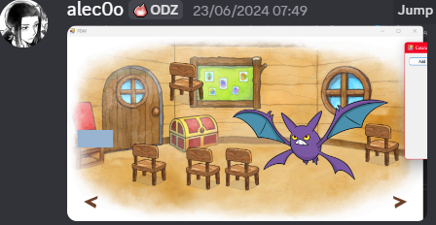
 | Ask Alec0o about the high quality assets they found

 |  | Find Way to Remove Vignette Reliably

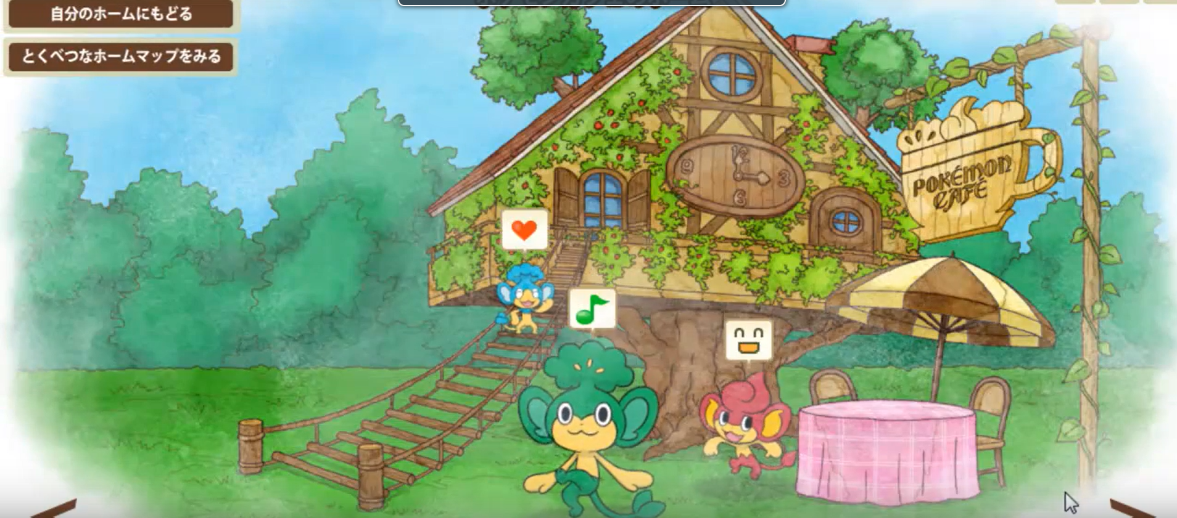
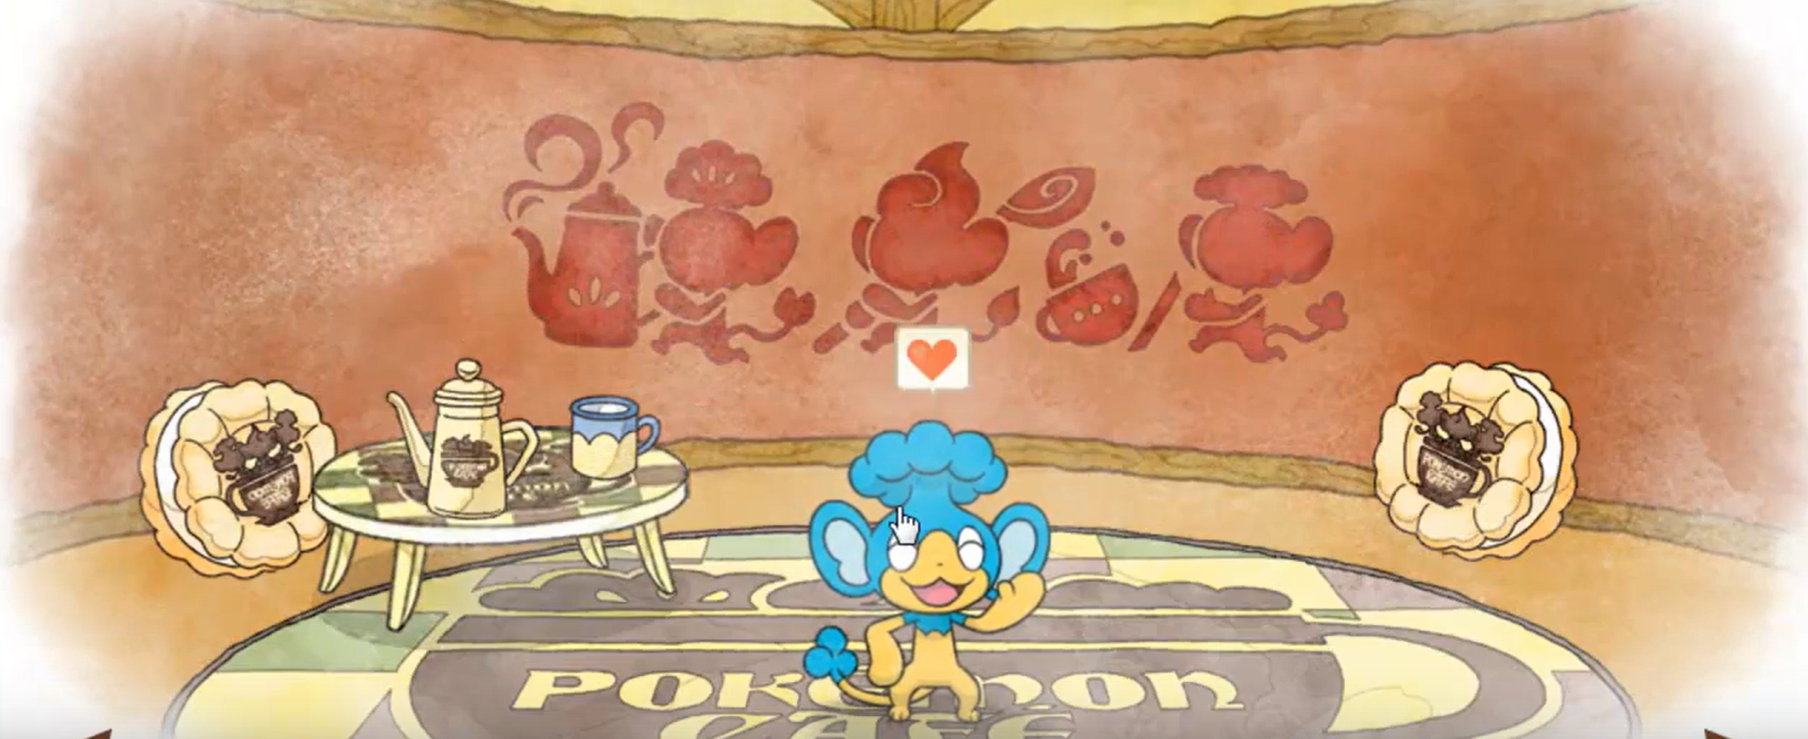
https://www.youtube.com/watch?v=Qqj-X4ztUV4 | Look into Pokemon Dream World Expansion (Pokemon Cafe Promotion) | Some sort of Promo
 |  | Player an visit pokemon cafe at top left of screen at home
 |  | Unique Interior only found in cafe
 |  | All 3 Monkeys are on Screen on exterior
 |  | Unique Minigame During Promotion
 |  | New Furniture items included to trade with berries
 |  | Could get 4 Pokemon per minigame

https://bulbapedia.bulbagarden.net/wiki/Pok%C3%A9mon_Dream_World# | Get in Contact with Authors who submitted photos | https://archives.bulbagarden.net/wiki/User:Tc26
 |  | https://bulbapedia.bulbagarden.net/wiki/User:Pika3323?rdfrom=https%3A%2F%2Farchives.bulbagarden.net%2Fw%2Findex.php%3Ftitle%3DUser%3APika3323%26redirect%3Dno
 |  | https://bulbapedia.bulbagarden.net/wiki/User:Coffee?rdfrom=https%3A%2F%2Farchives.bulbagarden.net%2Fw%2Findex.php%3Ftitle%3DUser%3ACoffee%26redirect%3Dno
 |  | https://archives.bulbagarden.net/wiki/User:Ataro

 |  | Look into Movie House

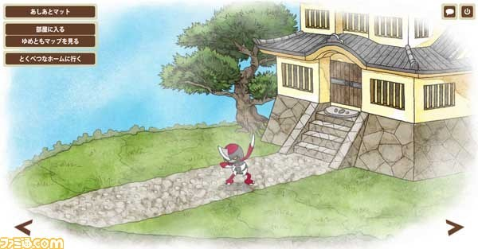

 |  | Find The imperial Mansion

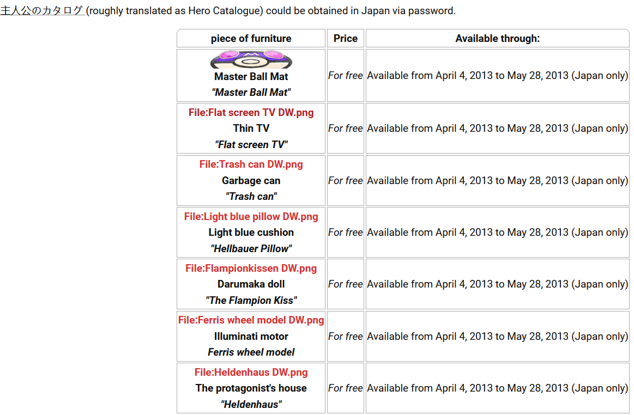

 |  | Look into hero catalogue

